DCF
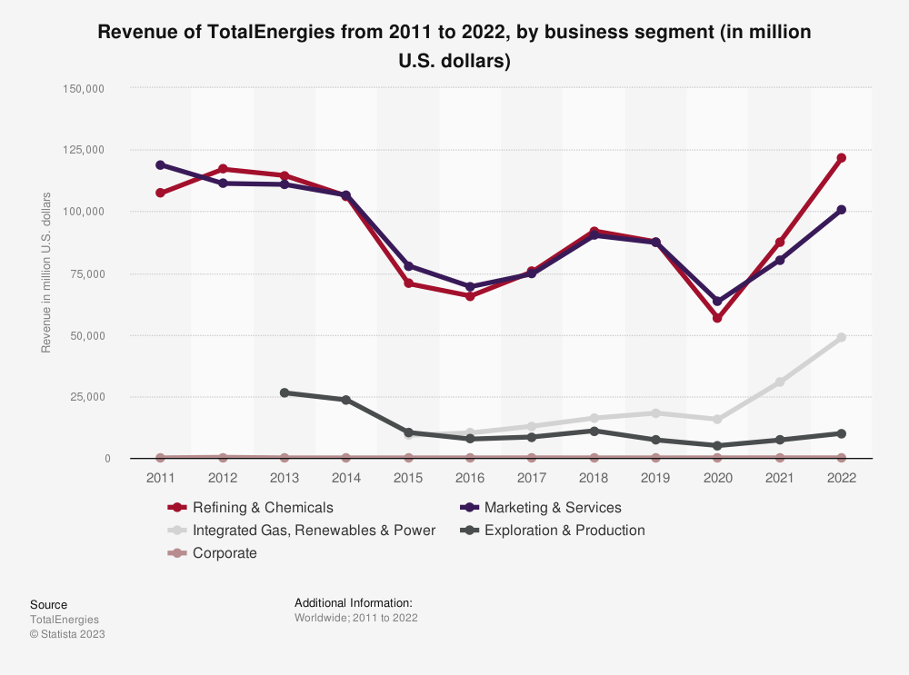
Discounted Cash Flow Analysis |  |  |  |  |  | TotalEnergies (TTE) |  |  |  | Income Statement |  |  |  |  |  | Cash Flow
 |  |  |  |  |  |  |  |  |  | Breakdown | 2019 | 2020 | 2021 | 2022 | TTM | Breakdown | 2019 | 2020 | 2021 | 2022 | TTM
 |  |  |  |  |  |  |  |  |  | Total Revenue | 176249 | 119704 | 184634 | 263310 | 238682 | Operating Cash Flow | 24685 | 14803 | 30410 | 47367 | 38499
 |  |  |  |  |  | Y1 | Y2 | Y3 | Y4 | Operating Revenue | 200316 | 140685 | 205863 | 280999 | 256493 | Cash Flow from Continuing Operating Activities | 24685 | 14803 | 30410 | 47367 | 38499
Income Statement ($M) | 2019 | 2020 | 2021 | 2022 | 2023 | 2024 | 2025 | 2026 | 2027 | Excise Taxes | 24067 | 20981 | 21229 | 17689 | 17811 | Net Income from Continuing Operations | 11438 | -7336 | 16366 | 21044 | 19972
Revenue | 176,249 | 119,704 | 184,634 | 263,310 | 238,682 | 271,750 | 314,427 | 335,605 | 376,206 | Cost of Revenue | 131952 | 99750 | 132178 | 181669 | 168610 | Operating Gains Losses | -1697 | 39 | -1121 | 6426 | 3055
% growth |  | -32.08% | 54.24% | 42.61% | -9.35% | 13.85% | 15.70% | 6.74% | 12.10% | Gross Profit | 44297 | 19954 | 52456 | 81641 | 70072 | Earnings Losses from Equity Investments | -1083 | 948 | -667 | 6057 | 2830
EBIT | 19,662 | -4,871 | 27,857 | 45,672 | 41,160 | 45,000 | 53,609 | 56,889 | 63,404 | Operating Expense | 28040 | 26269 | 27634 | 31088 | 30721 | Depreciation Amortization Depletion | 16401 | 22861 | 14343 | 13680 | 12163
% of sales | 11.16% | -4.07% | 15.09% | 17.35% | 17.24% | 16.56% | 17.05% | 16.95% | 16.85% | Depreciation Amortization Depletion | 266 | - | - | - | 266 | Depreciation & amortization | 16401 | 22861 | 14343 | - | -
Taxes | 5,872 | 318 | 9,587 | 22,242 | 18,712 | 19,286 | 24,485 | 25,409 | 28,150 | Depreciation & amortization | 266 | - | - | - | 266 | Depreciation | 16401 | 22861 | 14343 | - | -
% of EBIT | 29.86% | -6.53% | 34.42% | 48.70% | 45.46% | 42.86% | 45.67% | 44.66% | 44.40% | Amortization | 266 | - | - | - | 266 | Deferred Tax | -461 | -2132 | 1429 | 2417 | -
EBIAT = EBIT - Taxes | 13,790 | -5,189 | 18,270 | 23,430 | 22,448 | 25,713 | 29,124 | 31,480 | 35,253 | Amortization of Intangibles | 266 | - | - | - | 266 | Deferred Income Tax | -461 | -2132 | 1429 | 2417 | -
D&A | 16,401 | 22,861 | 14,343 | 13,680 | 12,163 | 16,359 | 17,096 | 18,517 | 21,286 | Other Operating Expenses | 28040 | 26269 | 27634 | 31088 | 30721 | Provision & Write Off of Assets | 403 | 350 | -467 | 2177 | -
% of sales | 9.31% | 19.10% | 7.77% | 5.20% | 5.10% | 6.02% | 5.44% | 5.52% | 5.66% | Operating Income | 16257 | -6315 | 24822 | 50553 | 39351 | Other non-cash items | 261 | -2630 | 1438 | 5026 | -3607
CapEx | 11,810 | 10,764 | 12,343 | 15,690 | 15,921 | 17,496 | 19,984 | 21,774 | 24,180 | Net Non Operating Interest Income Expense | -2324 | -1886 | -1302 | -880 | -413 | Change in working capital | -1718 | 1869 | -616 | 1191 | 2322
% of sales | 6.70% | 8.99% | 6.69% | 5.96% | 6.67% | 6.44% | 6.36% | 6.49% | 6.43% | Interest Income Non Operating | - | 37 | 379 | 1143 | 1587 | Change in Receivables | -933 | 4818 | -6788 | -3272 | -
Change in NWC | -1,718 | 1,869 | -616 | 1,191 | 2,322 | 989 | 1,875 | 2,162 | 2,012 | Interest Expense Non Operating | 2352 | 2147 | 1904 | 2386 | 2476 | Changes in Account Receivables | -933 | 4818 | -6788 | -3272 | -
% of sales | -0.97% | 1.56% | -0.33% | 0.45% | 0.97% | 0.36% | 0.60% | 0.64% | 0.53% | Total Other Finance Cost | -28 | -224 | -223 | -363 | -476 | Change in Inventory | -2071 | 2274 | -5903 | -3805 | -
Unlevered FCF | 20,099 | 5,039 | 20,886 | 20,229 | 16,368 | 23,588 | 24,360 | 26,061 | 30,348 | Other Income Expense | 3377 | 1183 | 2433 | -6387 | -254 | Change in Payables And Accrued Expense | 3287 | -8597 | 33101 | 11791 | -
Discounted Cash Flow |  |  |  |  |  | 20,797 | 18,937 | 17,861 | 18,339 | Gain on Sale of Security | -47 | 586 | -272 | -485 | - | Change in Payable | 3287 | -8597 | 33101 | 11791 | -
% growth |  | pre-COVID data not relevant | 3.92% | -3.15% | -19.09% | 44.11% | 3.27% | 6.98% | 16.45% | Earnings from Equity Interest | 3406 | 452 | 3438 | -1892 | 838 | Change in Account Payable | 1998 | -5355 | 12073 | 5313 | -
 |  |  | %change compared with 2019 ↑ |  |  |  |  |  |  | Special Income Charges | 614 | 909 | 454 | -369 | - | Change in Accrued Expense | 1289 | - | - | - | 1289
Terminal Value | 255962 |  |  |  |  |  |  |  |  | Gain on Sale of PPE | 614 | 909 | 454 | -369 | - | Change in Other Current Assets | -2001 | 3374 | -21026 | -3523 | -
Present Value of Terminal Value | 154675 |  |  |  |  |  |  |  |  | Other Non Operating Income Expenses | -29 | 731 | -1005 | -4495 | -238 | Change in Other Working Capital | -1718 | 1869 | -616 | 1191 | -
Enterprise Value | 230609 |  |  |  |  |  |  |  |  | Pretax Income | 17310 | -7018 | 25953 | 43286 | 38684 | Investing Cash Flow | -17177 | -13079 | -13656 | -15116 | -18591
+ Cash | 41772 |  |  |  |  |  |  |  |  | Tax Provision | 5872 | 318 | 9587 | 22242 | 18712 | Cash Flow from Continuing Investing Activities | -17177 | -13079 | -13656 | -15116 | -18591
- Debt | 60766 |  |  |  |  |  |  |  |  | Net Income Common Stockholders | 11267 | -7242 | 16032 | 20526 | 19535 | Capital Expenditure Reported | -11810 | -10764 | - | - | -
Equity Value | 211615 |  |  |  |  |  |  |  |  | Net Income | 11267 | -7242 | 16032 | 20526 | 19535 | Net Intangibles Purchase And Sale | -11283 | -10024 | -11573 | -15150 | -15612
Shares | 2390 |  |  |  |  |  |  |  |  | Net Income Including Non-Controlling Interests | 11438 | -7336 | 16366 | 21044 | 19972 | Purchase of Intangibles | -11810 | -10764 | -12343 | -15690 | -15921
Share Price | $88.54 |  | Share Price on | 2023-10-06 | $60.34 |  | Upside (Downside) |  | 46.74% | Net Income Continuous Operations | 11438 | -7336 | 16366 | 21044 | 19972 | Sale of Intangibles | 527 | 740 | 770 | 540 | 309
% Debt | 32.71% |  |  |  |  |  |  |  |  | Minority Interests | -171 | 94 | -334 | -518 | -437 | Net Business Purchase And Sale | -6208 | -2804 | -2730 | -2301 | -4008
Cost of Debt | 2.00% |  |  |  |  |  |  |  |  | Diluted NI Available to Com Stockholders | 11267 | -7242 | 16032 | 20526 | 19535 | Purchase of Business | -6366 | -3086 | -2999 | -3136 | -4913
Tax Rate | 21.00% |  |  |  |  |  |  |  |  | Basic EPS | 42 | -29 | 595 | 791 | - | Sale of Business | 158 | 282 | 269 | 835 | 905
Equity Value | 125000 |  |  |  |  |  |  |  |  | Diluted EPS | 417 | -29 | 592 | 785 | - | Net Investment Purchase And Sale | 349 | 578 | 722 | 577 | 509
% Equity | 67.29% |  |  |  |  |  |  |  |  | Basic Average Shares | 2601622 | 2602027 | 2631423 | 2554707 | - | Sale of Investment | 349 | 578 | 722 | 577 | 509
Cost of Equity Risk Free Rate + (Beta x (Expected Market Return - Risk Free Rate)) | 19.18% |  |  |  |  |  |  |  |  | Diluted Average Shares | 2618008 | 2602027 | 2647468 | 2572182 | - | Net Other Investing Changes | -35 | -829 | -75 | 1758 | 520
Risk Free Rate | 4.02% |  |  |  |  |  |  |  |  | Total Expenses | 159992 | 126019 | 159812 | 212757 | 199331 | Financing Cash Flow | -7709 | 1398 | -25497 | -19272 | -27536
Beta | 0.87 |  | S&P500 in 2022 |  |  |  |  |  |  | Interest Income | - | 37 | 379 | 1143 | 1587 | Cash Flow from Continuing Financing Activities | -7709 | 1398 | -25497 | -19272 | -27536
Market Risk Premium | 17.42% |  | 21.44% |  |  |  |  |  |  | Interest Expense | 2352 | 2147 | 1904 | 2386 | 2476 | Net Issuance Payments of Debt | 1931 | 9315 | -8280 | -5304 | -10126
Debt + Equity | 185,766 |  |  |  |  |  |  |  |  | Net Interest Income | -2324 | -1886 | -1302 | -880 | -413 | Net Long Term Debt Issuance | 7760 | 15816 | 2576 | 769 | -714
WACC (% Equity x Cost of Equity) + (% Debt x Cost of Debt x (1 -Tax rate)) | 13.42% |  |  |  |  |  |  |  |  | Net Income from Continuing & Discontinued Operation | 11267 | -7242 | 16032 | 20526 | 19535 | Long Term Debt Issuance | 8131 | 16131 | 3248 | 1108 | 670
TGR | 1.40% |  |  |  |  |  |  |  |  | Normalized Income | 11267 | -7242 | 16032 | 20526 | 200474 | Long Term Debt Payments | -371 | -315 | -672 | -339 | -1384
 |  |  |  |  |  |  |  |  |  | EBIT | 19662 | -4871 | 27857 | 45672 | 41160 | Net Short Term Debt Issuance | -5829 | -6501 | -10856 | -6073 | -9412
 |  |  |  |  |  |  |  |  |  | EBITDA | 36063 | 17990 | 42200 | 59352 | 53323 | Net Common Stock Issuance | -2358 | -237 | -1442 | -7341 | -8270
 |  |  |  |  |  |  |  |  |  | Reconciled Cost of Revenue | 131952 | 99750 | 132178 | 181669 | 168610 | Common Stock Issuance | 452 | 374 | 381 | 370 | 382
 |  |  |  |  |  |  |  |  |  | Reconciled Depreciation | 16401 | 22861 | 14343 | 13680 | 12163 | Common Stock Payments | -2810 | -611 | -1823 | -7711 | -8652
 |  |  |  |  |  |  |  |  |  | Net Income from Continuing Operation Net Minority Interest | 11267 | -7242 | 16032 | 20526 | 19535 | Cash Dividends Paid | -6641 | -6688 | -8228 | -9986 | -9919
 |  |  |  |  |  |  |  |  |  | Total Unusual Items Excluding Goodwill | 567 | 1495 | 182 | -854 | -854 | Common Stock Dividend Paid | -6641 | -6688 | - | -9986 | -9919
 |  |  |  |  |  |  |  |  |  | Total Unusual Items | 567 | 1495 | 182 | -854 | -854 | Net Other Financing Charges | -641 | -992 | -7547 | 3359 | 779
 |  |  |  |  |  |  |  |  |  | Normalized EBITDA | 36063 | 17990 | 42200 | 59352 | 54177 | End Cash Position | 27352 | 31268 | 21342 | 33026 | 25220
 |  |  |  |  |  |  |  |  |  | Tax Rate for Calcs | 0 | 0 | 0 | 0 | 0 | Changes in Cash | -201 | 3122 | -8743 | 12979 | -7628
 |  |  |  |  |  |  |  |  |  | Tax Effect of Unusual Items | 0 | 0 | 0 | 0 | -3416 | Effect of Exchange Rate Changes | -354 | 794 | -1183 | -1295 | 352
 |  |  |  |  |  |  |  |  |  |  |  |  |  |  |  | Beginning Cash Position | 27907 | 27352 | 31268 | 21342 | 32848
 |  |  |  |  |  |  |  |  |  |  |  |  |  |  |  | Income Tax Paid Supplemental Data | - | - | 4508 | 14486 | -
 |  |  |  |  |  |  |  |  |  |  |  |  |  |  |  | Interest Paid Supplemental Data | - | - | 1886 | 2292 | -
 |  |  |  |  |  |  |  |  |  |  |  |  |  |  |  | Capital Expenditure | -11810 | -10764 | -12343 | -15690 | -15921
 |  |  |  |  |  |  |  |  |  |  |  |  |  |  |  | Issuance of Capital Stock | 452 | 374 | 381 | 370 | 382
 |  |  |  |  |  |  |  |  |  |  |  |  |  |  |  | Issuance of Debt | 8131 | 16131 | 3248 | 1108 | 670
 |  |  |  |  |  |  |  |  |  |  |  |  |  |  |  | Repayment of Debt | -371 | -315 | -672 | -339 | -1384
 |  |  |  |  |  |  |  |  |  |  |  |  |  |  |  | Repurchase of Capital Stock | -2810 | -611 | -1823 | -7711 | -8652
 |  |  |  |  |  |  |  |  |  |  |  |  |  |  |  | Free Cash Flow | 12875 | 4039 | 18067 | 31677 | 22578

